Annexure-1
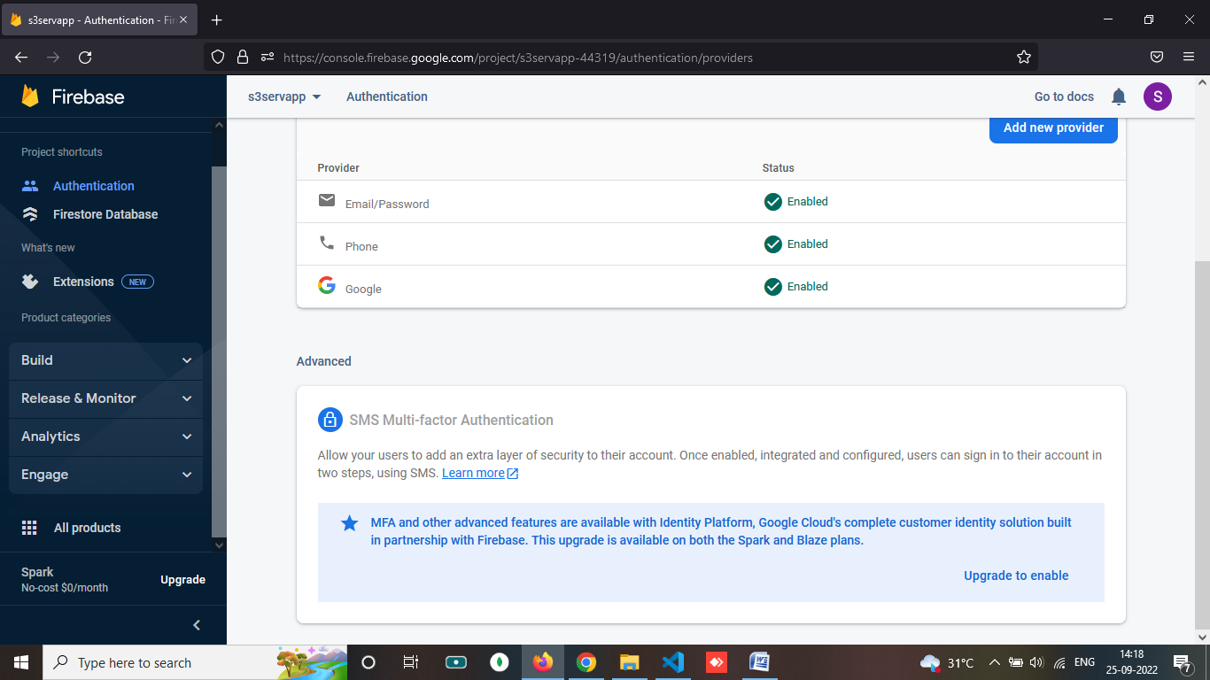
Annexure-1 (Firebase Account Upgrade Process.)

STEP 1. Login to https://console.firebase.google.com (userid : app.s3serv@gmail.com password: Gaia@123)
STEP 2. Go to > Sites as shown below
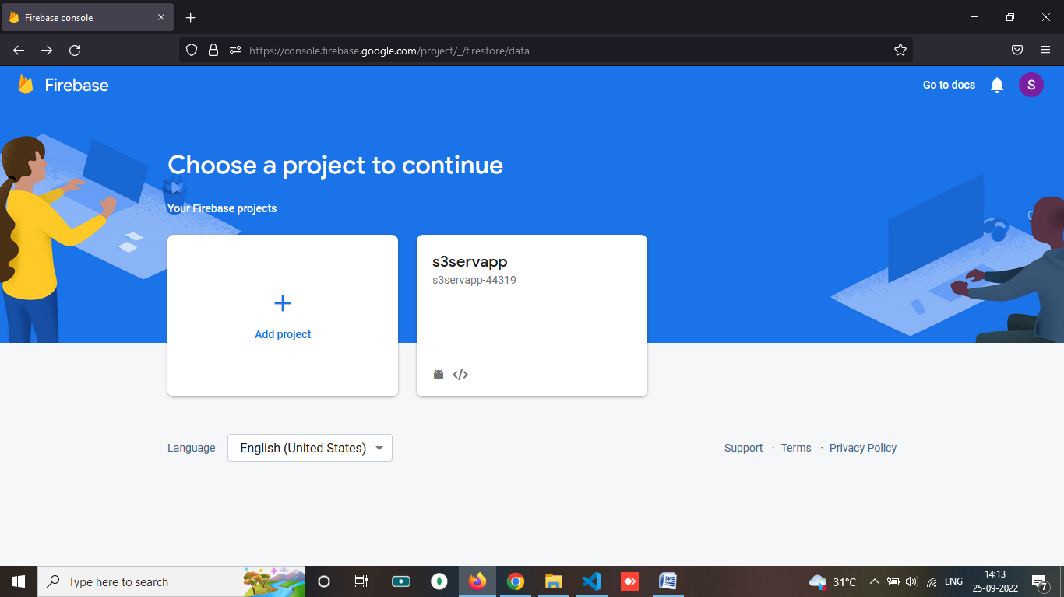

STEP 3. Click on project name will redirect to >> Choose Authentication
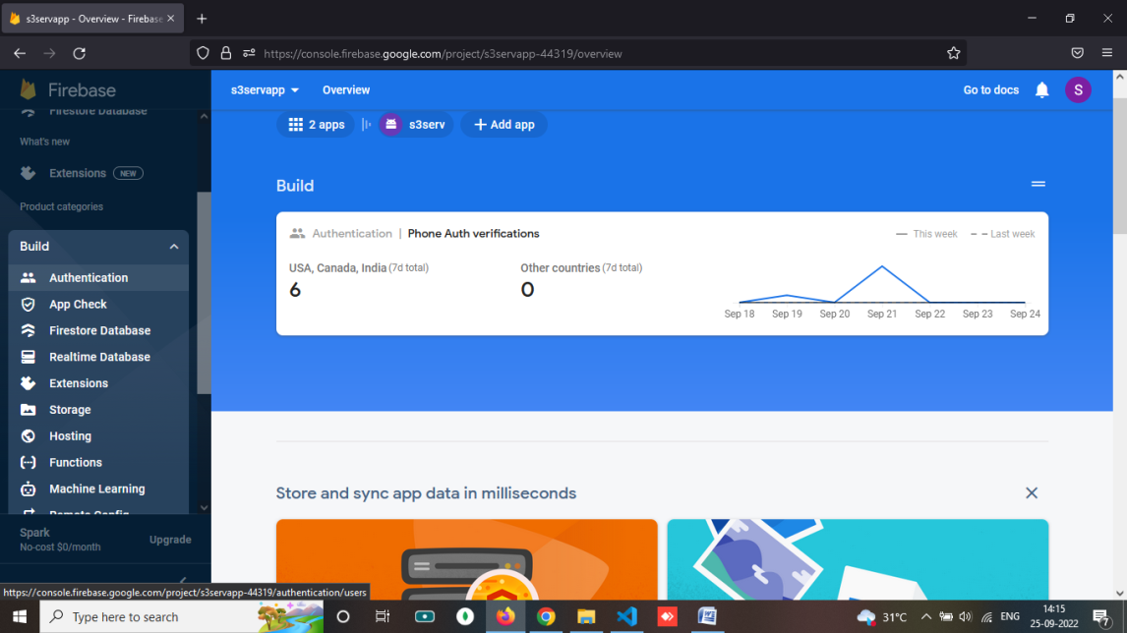

STEP 4. Choose sign in method and choose upgrade

